Example3 (Simplex)
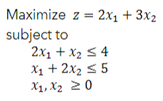
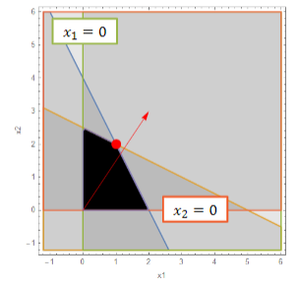

 |  |  |  |  |  |  | <- should only be 2 iterations since go up to (0, 2.5)(first extreme point in direction of gradient), then right

At initial feasible solution
Basic vars = z, s1, s2
Basis | z | x1 | x2 | s1 | s2 | sol
z | 1 | -2 | -3 | 0 | 0 | 0 | Min Ratio
s1 | 0 | 2 | 1 | 1 | 0 | 4 | 4
s2 | 0 | 1 | 2 | 0 | 1 | 5 | 2.5

x2 | entering basis
Basis | z | x1 | x2 | s1 | s2 | sol
z | 1 | -0.5 | 0 | 0 | 1.5 | 7.5 | Min Ratio
s1 | 0 | 1.5 | 0 | 1 | -0.5 | 1.5 | 1
x2 | 0 | 0.5 | 1 | 0 | 0.5 | 2.5 | 5

x1 | entering basis
Basis | z | x1 | x2 | s1 | s2 | sol
z | 1 | 0 | 0 | 0.33333333333 | 1.3333333333 | 8
x1 | 0 | 1 | 0 | 0.66666666667 | -0.33333333333 | 1
x2 | 0 | 0 | 1 | -0.33333333333 | 0.66666666667 | 2
optimal since no more promising directions
optimal solution | 8 | 8 | =C38 * -D19 + C39 * -E19
x1 | 1
x2 | 2

Example4 (Big M)
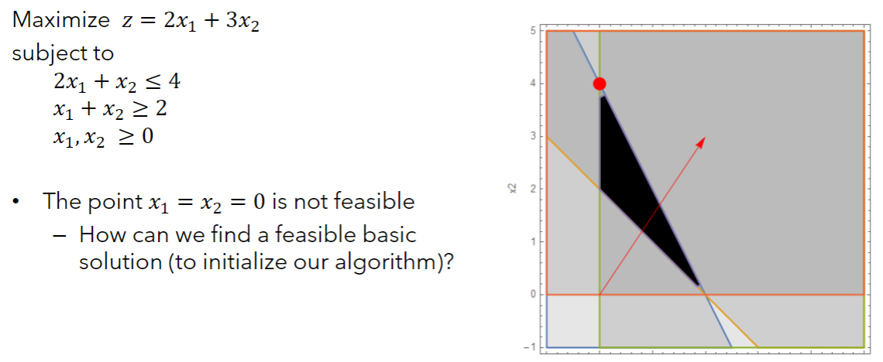

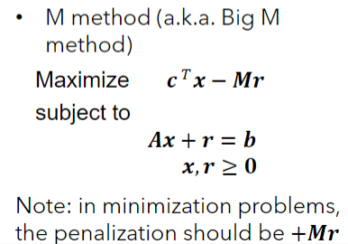
Fliped row 3 sign to be <=
Basis | z | x1 | x2 | s1 | s2 | sol
z | 1 | -2 | -3 | 0 | 0 | 0
 | 0 | 2 | 1 | 1 | 0 | 4
 | 0 | -1 | -1 | 0 | 1 | -2 | <- cannot have negative RHS
 |  |  |  |  |  |  | note s2 must be positive

Comvert RHS to positive
Basis | z | x1 | x2 | s1 | s2 | r | sol
z | 1 | -2 | -3 | 0 | 0 | 1000 | 0
 | 0 | 2 | 1 | 1 | 0 | 0 | 4
 | 0 | 1 | 1 | 0 | -1 | 1 | 2

r1 | entering basis
Basis | z | x1 | x2 | s1 | s2 | r | sol
z | 1 | -1002 | -1003 | 0 | 1000 | 0 | -2000 | Min Ratio
 | 0 | 2 | 1 | 1 | 0 | 0 | 4 | 4
r | 0 | 1 | 1 | 0 | -1 | 1 | 2 | 2

x2 | entering basis, Initial basic solution found!
Basis | z | x1 | x2 | s1 | s2 | r | sol
z | 1 | 1 | 0 | 0 | -3 | 1003 | 6 | Min Ratio
s1 | 0 | 1 | 0 | 1 | 1 | -1 | 2 | 2
x2 | 0 | 1 | 1 | 0 | -1 | 1 | 2

s2 | entering basis, Initial basic solution found!
Basis | z | x1 | x2 | s1 | s2 | r | sol
z | 1 | 4 | 0 | 3 | 0 | 1000 | 12
s2 | 0 | 1 | 0 | 1 | 1 | -1 | 2
x2 | 0 | 2 | 1 | 1 | 0 | 0 | 4

Optimal solution since no more promising directions to go!

Example4 (Two-Phase)
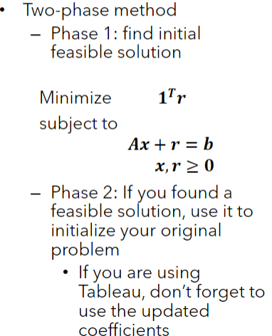
Phase 1: Initial basic solution

Basis | z | x1 | x2 | s1 | s2 | r | sol
z | 1 | -2 | -3 | 0 | 0 | -1 | 0
 | 0 | 2 | 1 | 1 | 0 | 0 | 4
 | 0 | 1 | 1 | 0 | -1 | 1 | 2
 |  |  |  |  |  |  |  | note s2 negative
make r1 identity
Basis | z | x1 | x2 | s1 | s2 | r | sol
z | 1 | -1 | -2 | 0 | -1 | 0 | 2 |  | Min Ratio
s1 | 0 | 2 | 1 | 1 | 0 | 0 | 4 |  | 4
r1 | 0 | 1 | 1 | 0 | -1 | 1 | 2 |  | 2

x2 | entering basis, found initial basic solution!
Basis | z | x1 | x2 | s1 | s2 | sol |  | Once found initial basic, get rid of r1
z | 1 | 0 | 0 | 0 | -3 | 6 |  |  | Min Ratio
s1 | 0 | 1 | 0 | 1 | 1 | 2 |  |  | 2
x2 | 0 | 1 | 1 | 0 | -1 | 2

Phase 2: Optimize

s2 | entering basis
Basis | z | x1 | x2 | s1 | s2 | sol
z | 1 | 3 | 0 | 3 | 0 | 12
s2 | 0 | 1 | 0 | 1 | 1 | 2
x2 | 0 | 2 | 1 | 1 | 0 | 4

Optimal since no promising directions

Example5 (Degeneracy)
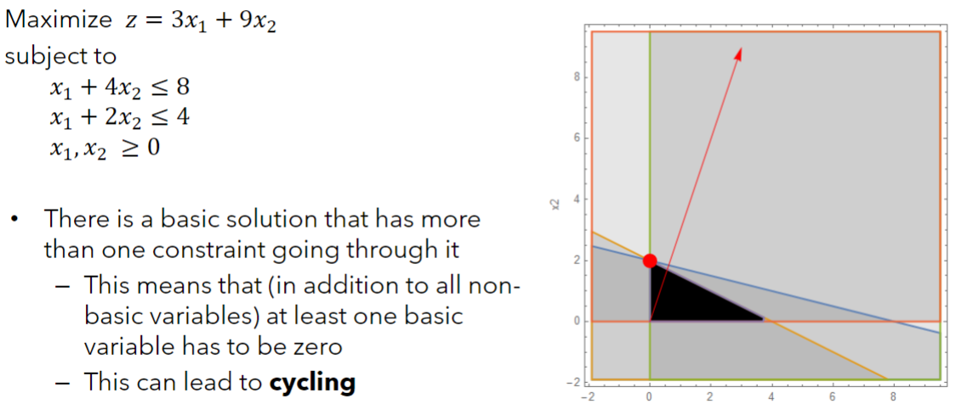

Basis | z | x1 | x2 | s1 | s2 | sol

Basis | z | x1 | x2 | s1 | s2 | sol

Basis | z | x1 | x2 | s1 | s2 | sol

Example6 (Alternate optima)
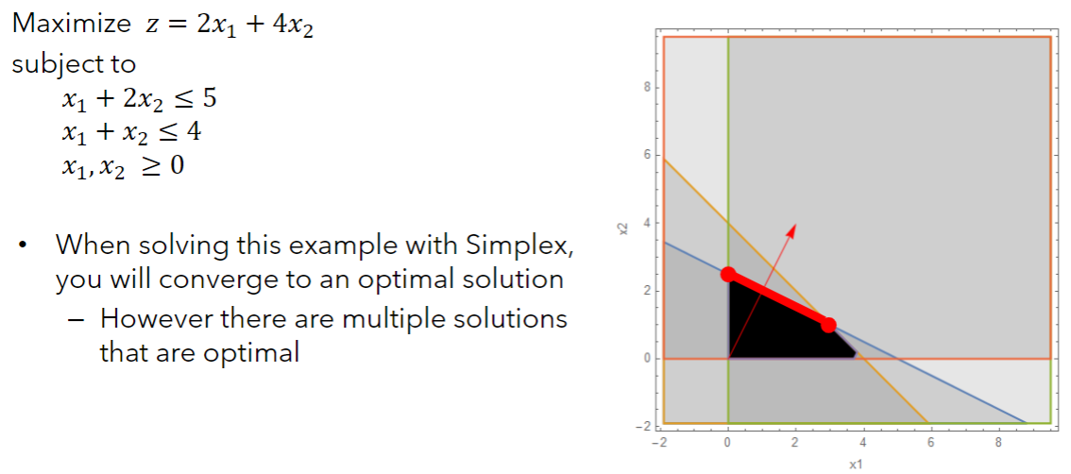

Basis | z | x1 | x2 | s1 | s2 | sol

Basis | z | x1 | x2 | s1 | s2 | sol

Basis | z | x1 | x2 | s1 | s2 | sol

Example7A (Unb. sol space)
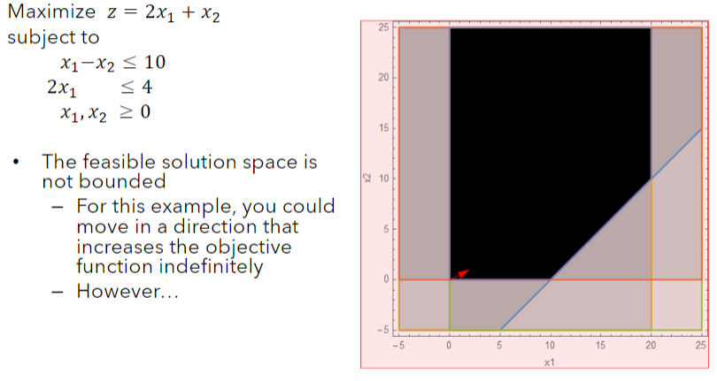

Basis | z | x1 | x2 | s1 | s2 | sol

Basis | z | x1 | x2 | s1 | s2 | sol

Basis | z | x1 | x2 | s1 | s2 | sol

Example7B (Unb. sol space)
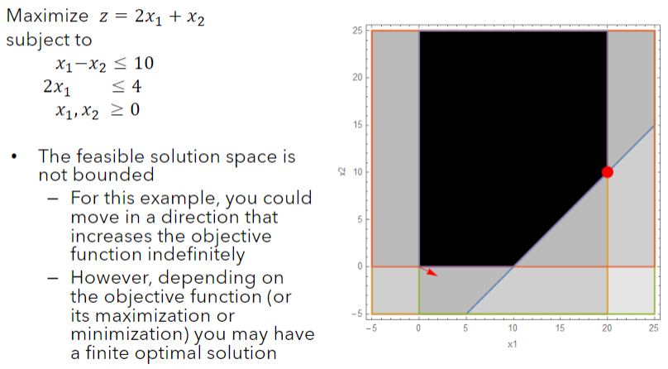

Basis | z | x1 | x2 | s1 | s2 | sol

Basis | z | x1 | x2 | s1 | s2 | sol

Basis | z | x1 | x2 | s1 | s2 | sol

